story
company name | berger paints

 |  |  |  |  |  |  | in cr / milion for us
what comany do there business and competition, understand the companey |  |  |  |  |  |  | risk free rate | beta | equity risk premium
berger paints is indian 2nd biggest paint company and 7th in the world selling decorative paints which is around 80% |  |  |  |  |  |  | 4.35% | 0.9 | 7.34%
of there revenue the rest come from industrial uses there are noun for there inovation and good quality paints
 |  |  |  |  |  |  | country default spread | company default spread
the paint business in india is very compitative with asian paint and berger but they do have around 16% compared |  |  |  |  |  |  | 2.39% | 0.92%
to asian paints which has around 19%
 |  |  |  |  |  |  | market value of equity | market value of debt | Total value
all in all a good company with good management wich nows what ther are doing |  |  |  |  |  |  | 65500 | 1,207.8 | 66,707.8
 |  |  |  |  |  |  | 98.19% | 1.81% | 100.00%

 |  |  | Next year | After 5 years | risk free rate |  | cost of equity | cost of debt | WACC
company type | stable | growth rate | 16% | 16% | 4.35% |  | 10.96% | 7.66% | 10.86%

company is reinvesting and doing some inovation because it is a paint company ti can't grow more then gdp

 |  |  | Next year | stable margin | conversion
Operating margin |  |  | 18% | 20% | 5

berger paints has slitely less margin compared it asian paints which has 19% but in futer i belive it will reach
industry average

Probability of occurrence
IT IS POSSIBLE |  | IT IS PLAUSIBLE |  | IT IS PROBABLE

After you value a company if the value you got is very low that is the base value
After getting base value adjust number to get value to trading price to see what market is thinks

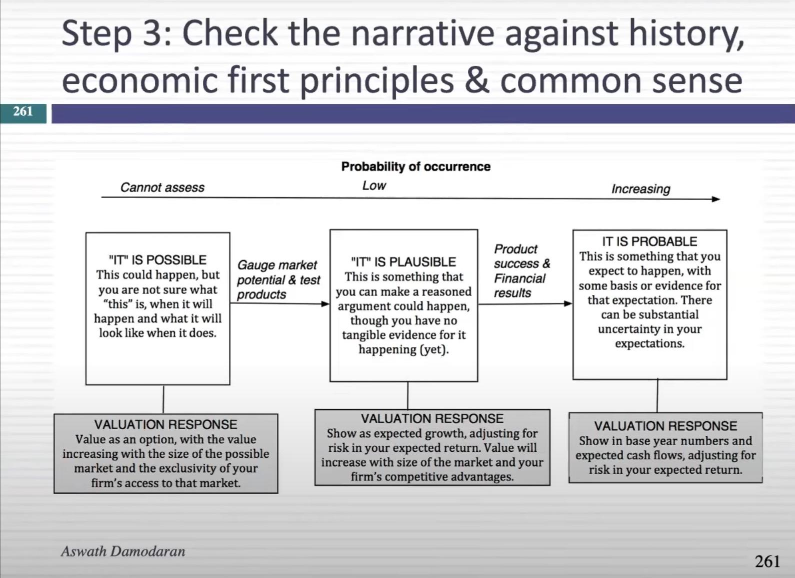

 | Marker size and growth

 | comp |  | market share % | revenue | indian market | italy market(globle market)
 | asian paints |  | 59% | 32051 | 50000 | 7345
 | berger paints |  | 18% | 11122 | 140 | 5.9
 | Kansai Nerolac Paints |  | 15% | 7766 | 357.14 | 1244.92
 | AkzoNobel |  | 7% | 3914
 | other |  | 1% | 582.52
 |  |  | 100% | 55435.52

Valuation output
Check these revenues against
a. Overall market size
b. Largest companies in this market
 | Base year | 1 | 2 | 3 | 4 | 5 | 6 | 7 | 8 | 9 | 10 | Terminal year
Revenue growth rate |  | 16.00% | 16.00% | 16.00% | 16.00% | 16.00% | 13.67% | 11.34% | 9.01% | 6.68% | 4.35% | 4.35%
Revenues | ₹10,619.00 | ₹12,318.04 | ₹14,288.93 | ₹16,575.15 | ₹19,227.18 | ₹22,303.53 | ₹25,352.42 | ₹28,227.38 | ₹30,770.67 | ₹32,826.15 | ₹34,254.09 | ₹35,744.14
This is is how much your operating income grew over the ten-year period.
EBIT (Operating) margin | 12.00% | 18.00% | 18.80% | 19.20% | 19.60% | 20.00% | 20.00% | 20.00% | 20.00% | 20.00% | 20.00% | 20.00%
EBIT (Operating income) | ₹1,274.00 | ₹2,217.25 | ₹2,686.32 | ₹3,182.43 | ₹3,768.53 | ₹4,460.71 | ₹5,070.48 | ₹5,645.48 | ₹6,154.13 | ₹6,565.23 | ₹6,850.82 | ₹7,148.83 | ₹5,874.83
Tax rate | 26.00% | 26.00% | 26.00% | 26.00% | 26.00% | 26.00% | 26.80% | 27.60% | 28.40% | 29.20% | 30.00% | 30.00%
This is how much capital you invested over the ten year period.
EBIT(1-t) | ₹942.76 | ₹1,640.76 | ₹1,987.88 | ₹2,355.00 | ₹2,788.71 | ₹3,300.92 | ₹3,711.59 | ₹4,087.33 | ₹4,406.36 | ₹4,648.18 | ₹4,795.57 | ₹5,004.18
- Reinvestment |  | ₹998.68 | ₹1,158.46 | ₹1,343.82 | ₹1,558.83 | ₹1,544.92 | ₹1,916.64 | ₹1,695.52 | ₹1,370.32 | ₹951.96 | ₹993.37 | ₹2,567.00 | ₹16,099.53
FCFF |  | ₹642.09 | ₹829.41 | ₹1,011.18 | ₹1,229.88 | ₹1,756.00 | ₹1,794.95 | ₹2,391.80 | ₹3,036.04 | ₹3,696.22 | ₹3,802.20 | ₹2,437.18
NOL | ₹0.00 | ₹0.00 | ₹0.00 | ₹0.00 | ₹0.00 | ₹0.00 | ₹0.00 | ₹0.00 | ₹0.00 | ₹0.00 | ₹0.00 | ₹0.00

Cost of capital |  | 10.86% | 10.86% | 10.86% | 10.86% | 10.86% | 10.38% | 9.91% | 9.43% | 8.96% | 8.48% | 8.48%
Cumulated discount factor |  | 0.9021 | 0.8137 | 0.7340 | 0.6621 | 0.5972 | 0.5411 | 0.4923 | 0.4499 | 0.4129 | 0.3806
PV(FCFF) |  | ₹579.19 | ₹674.89 | ₹742.20 | ₹814.30 | ₹1,048.77 | ₹971.19 | ₹1,177.47 | ₹1,365.81 | ₹1,526.13 | ₹1,447.17

Terminal cash flow | ₹2,437.18
Terminal cost of capital | 8.48%
Terminal value | ₹59,011.56
PV(Terminal value) | ₹22,460.57
PV (CF over next 10 years) | ₹10,347.12
Sum of PV | ₹32,807.69
Probability of failure = | 0.00%
Proceeds if firm fails = | ₹16,403.85
Value of operating assets = | ₹32,807.69
- Debt | ₹1,186.80
- Minority interests | ₹8.00
+ Cash | ₹300.00 |  | If you get Value Errors all over, it is usually because your option worksheet has gone haywire. The fix is very low tech. Go into the option value worksheet, and in cell B17 of that worksheet (adjusted S), enter any number (say 5) and then undo what you did. Voila!
+ Non-operating assets | ₹130.00
Value of equity | ₹32,042.89
- Value of options | ₹0.00
Value of equity in common stock | ₹32,042.89
Number of shares | 117.00
Estimated value /share | ₹273.87
Price | ₹562.00
Price as % of value | 205.21%

Implied variables |  |  |  |  |  |  |  |  |  |  |  | After year 10
Sales to capital ratio |  | 1.97 | 1.97 | 1.97 | 1.97 | 1.97 | 1.50 | 1.50 | 1.50 | 1.50 | 1.50
Invested capital | ₹5,380.80 | ₹6,379.48 | ₹7,537.94 | ₹8,881.76 | ₹10,440.59 | ₹11,985.51 | ₹13,902.15 | ₹15,597.68 | ₹16,968.00 | ₹17,919.95 | ₹18,913.32
ROIC | 17.52% | 30.49% | 31.16% | 31.24% | 31.40% | 31.62% | 30.97% | 29.40% | 28.25% | 27.39% | 26.76% | 8.48%

Compare this return on capital in year 10 against
a. the industry average(column E of worksheet)
b. the return on capital after year 10
If it is too high (low), you may want to lower (raise) your sales to capital ratio

